Sheet1
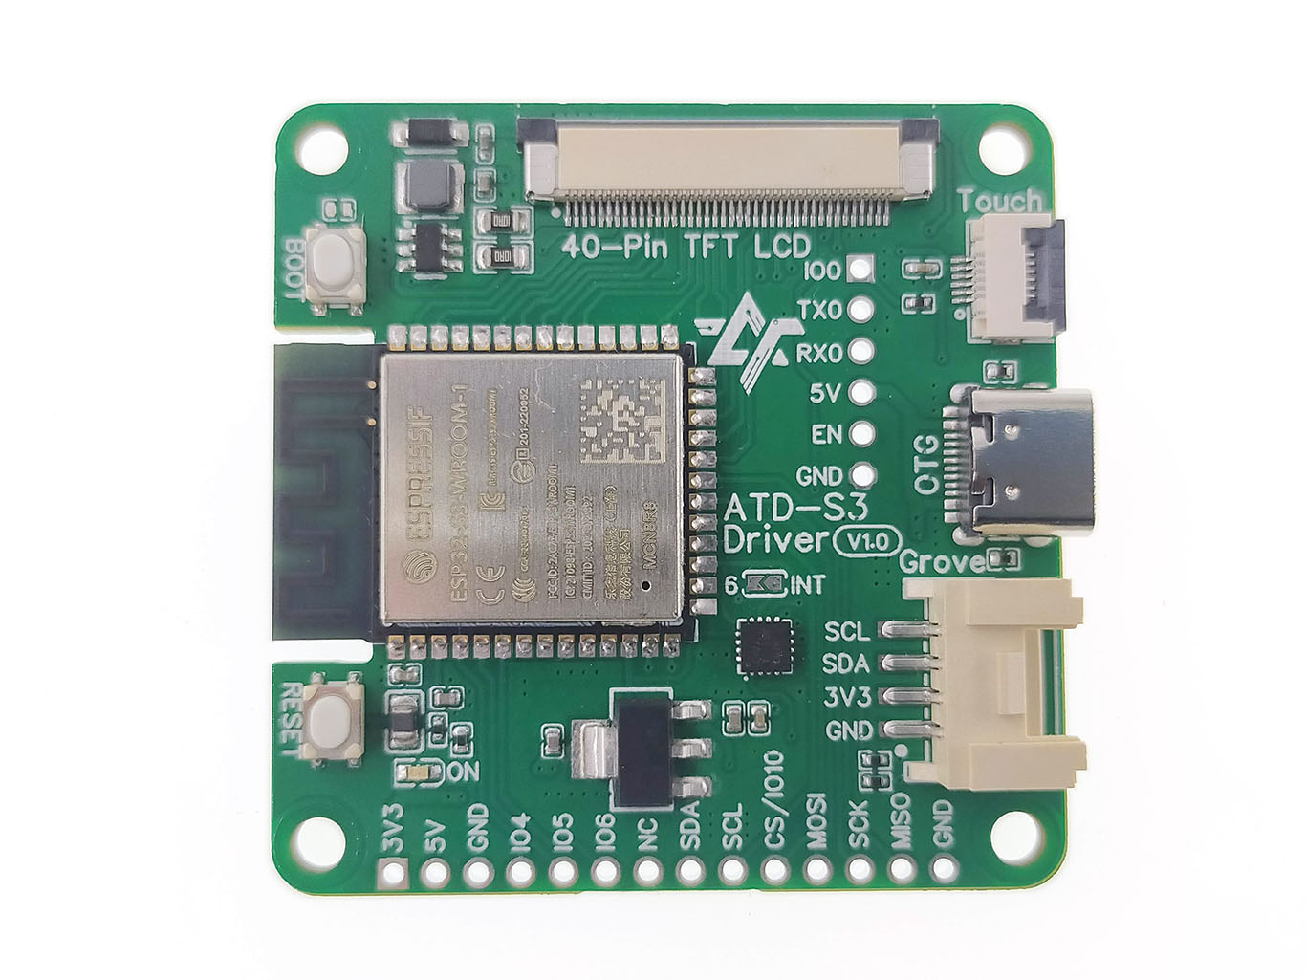

1 |  | 3.3V
2 |  | 5V
3 |  | GND
4 | ADC1_3 | IO4
5 | ADC1_4 | IO5
6 | ADC1_5 | IO6
7
8 | SDA0 | IO8
9 | SCL0 | IO9
10 |  | IO10
11 | MOSI | IO11
12 | SCK | IO12
13 | MISO | IO13
14 |  | GND
15
16
17
3.3V
GND
IO8
IO9
18

SDA0
SCL0

